Sheet2
 | SAFe
Finans | 5
Tillverkning | 6
Telekom | 3
Mjukvara | 5
Övriga | 7

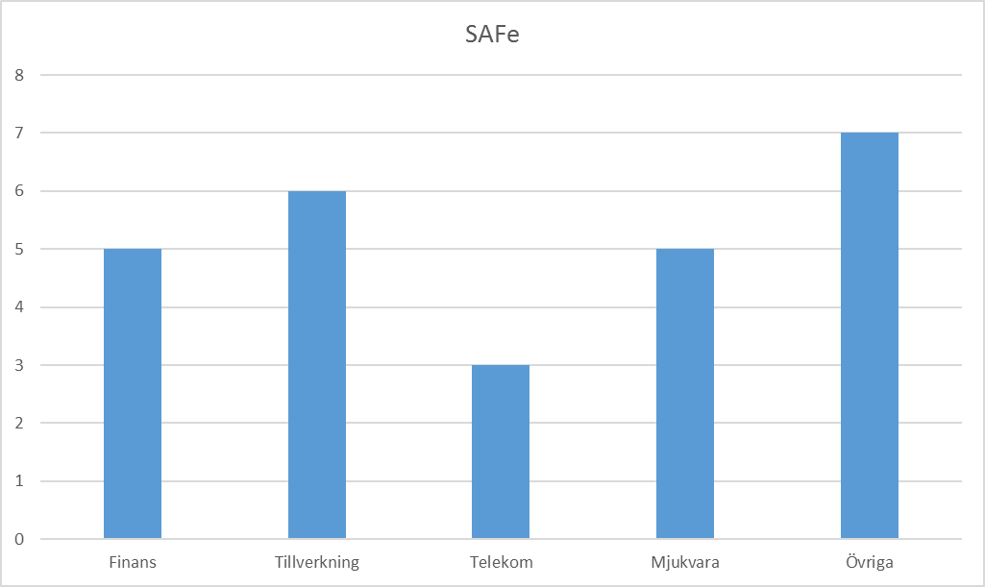
 | LeSS
Finans | 5
Tillverkning | 3
Telekom | 6
Mjukvara | 2
Övriga | 5

 | Totalt

